Operator Kateryna
Charter: Functional of the game
Areas:
Functional of the game on the site www.y8.com
Usability

Settings (game selection, recording settings): 15 min
Execution: 15 min
Design: 20 min

Test Environment URL: |  | EvoWars io
Start: |  | 2023-06-05
Tester: |  | Kateryna Pogrebna
Duration: |  | 15 min
Testing Notes: |  | Operator - Kateryna, Observer and Navigator - Julia

Notes |  |  |  | Result (Pass/Fail)
Check the volume change |  |  |  | Fail | bug #1
Check the mute |  |  |  | Pass
Check the play button |  |  |  | Pass
Check the play offline |  |  |  | Pass
Check the exit of the game |  |  |  | Fail | bug #2
Check the evolutions |  |  |  | Pass
Check the evolutions scroll button |  |  |  | Pass
Check the open new level in evolutions by using the advertising links |  |  |  | Pass
Check the clickability of game levels in evolution |  |  |  | Fail | bug #3
Check the name change if user no register |  |  |  | Fail | bug #4
Check the different screen size of the game |  |  |  | Fail | bug #5
Check the full screen mode |  |  |  | Pass
Check the advertising messages |  |  |  | Pass
Check link to Terms page |  |  |  | Pass
Check link to Privacy page |  |  |  | Pass
Check Register |  |  |  | Pass
Check Log In |  |  |  | Pass
Register Form localization testing (language) |  |  |  | Fail | bug #6
Check Forgot password |  |  |  | Pass

Log
dmx.districtm.io/b/v1:1 Failed to load resource: net::ERR_NAME_NOT_RESOLVED
dmx.districtm.io/b/v1:1 Failed to load resource: net::ERR_NAME_NOT_RESOLVED
dmx.districtm.io/b/v1:1 Failed to load resource: net::ERR_NAME_NOT_RESOLVED
evowars_io:1 Access to XMLHttpRequest at 'https://tag.1rx.io/rmp/216840/0/mvo?z=1r&hbv=5.8,2.1' from origin 'https://www.y8.com' has been blocked by CORS policy: No 'Access-Control-Allow-Origin' header is present on the requested resource.
evowars_io:1 Access to XMLHttpRequest at 'https://tag.1rx.io/rmp/216840/0/mvo?z=1r&hbv=5.8,2.1' from origin 'https://www.y8.com' has been blocked by CORS policy: No 'Access-Control-Allow-Origin' header is present on the requested resource.
evowars_io:1 Access to XMLHttpRequest at 'https://tag.1rx.io/rmp/216840/0/mvo?z=1r&hbv=5.8,2.1' from origin 'https://www.y8.com' has been blocked by CORS policy: No 'Access-Control-Allow-Origin' header is present on the requested resource.
tag.1rx.io/rmp/216840/0/mvo?z=1r&hbv=5.8,2.1:1 Failed to load resource: net::ERR_FAILED
tag.1rx.io/rmp/216840/0/mvo?z=1r&hbv=5.8,2.1:1 Failed to load resource: net::ERR_FAILED
tag.1rx.io/rmp/216840/0/mvo?z=1r&hbv=5.8,2.1:1 Failed to load resource: net::ERR_FAILED
id.rlcdn.com/711916.gif?ct=4&cv=:1 Failed to load resource: the server responded with a status of 400 ()
711890.gif:1 Failed to load resource: the server responded with a status of 400 ()
genericusersync.ashx:1 Failed to load resource: the server responded with a status of 404 ()
dmx.districtm.io/s/v1/buyers:1 Failed to load resource: net::ERR_NAME_NOT_RESOLVED
b1sync.zemanta.com/:1 Failed to load resource: net::ERR_NAME_NOT_RESOLVED
b1sync.zemanta.com/:1 Failed to load resource: net::ERR_NAME_NOT_RESOLVED

 | Bug#1 | Cannot change the music volume when pressing the volume button. | Bug#2 | Cannot return to the main page after press button the play on main page. the user needs to play in game. |  | Bug#3 | The game levels are not clickable in the evolutions. | Bug#4 | The name cannot be changed if user no register. | Bug#5 | The part of the game screen is not visible when game screen size on 117% | Bug#6 | The language of the registration form does not change when another language is selected in drop down list.
Steps to Reproduce | 1. Open https://www.y8.com/games/evowars_io |  | 1. Open https://www.y8.com/games/evowars_io |  |  | 1. Open https://www.y8.com/games/evowars_io |  | 1. Open https://www.y8.com/games/evowars_io |  | 1. Open https://www.y8.com/games/evowars_io |  | 1. Open https://www.y8.com/games/evowars_io
 | 2. Click on the volume button |  | 2. Click on the play button |  |  | 2. Click the evolutions button |  | 2. Tap a field to enter a name |  | 2. Click on the adjust game screen size button |  | 2. Click on the play button
 |  |  | Also |  |  | 3. Click the level 2 |  |  |  | 3. Move the slider line to the maximum right |  | 3. Select online mode - press play
 |  |  | 2. Select offline mode - press play |  |  |  |  |  |  | 4. Scroll game screen |  | 4. In the registration form click on the language button
 |  |  |  |  |  |  |  |  |  |  |  | 5. Select and click any language, other than English

Actual Result: | Cannot change the music volume when pressing the volume button. nothing happens. |  | Cannot return to the main page after press button the play on main page. There is no back button. the user needs to play in game. |  |  | The game levels are not clickable in the evolutions. |  | The name cannot be changed if user no register |  | The part of the game screen is not visible when game screen size on 117% and user cannot scroll screen |  | The language of the registration form does not change when another language is selected in drop down list.
Expected Result: | The volume changes when the volume button is pressed |  | The User can choose Button back |  |  | The game starts from the selected level |  | The user can specify a name |  | The game screen adapts to the size of the window |  | The language of the registration form change when another language is selected in drop down list.
Attachment: | 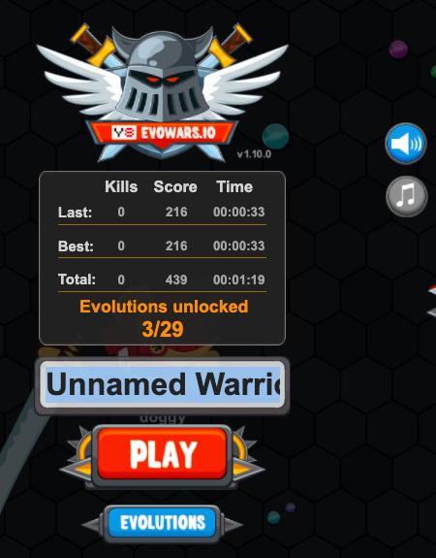 |  | 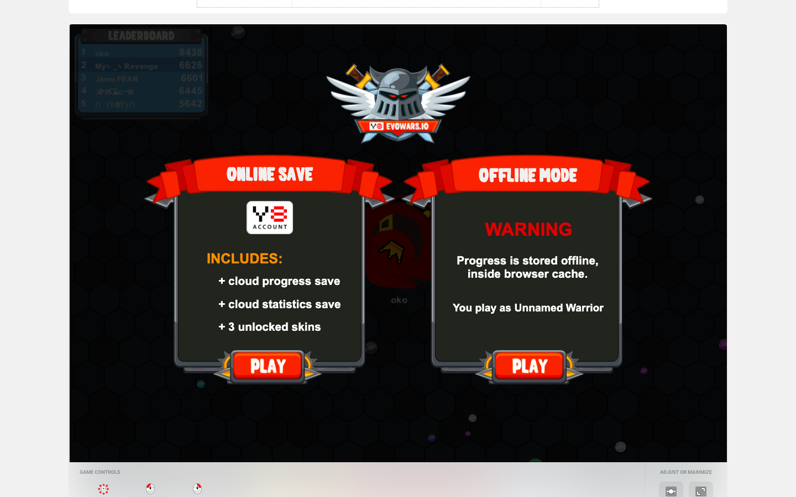 |  |  | 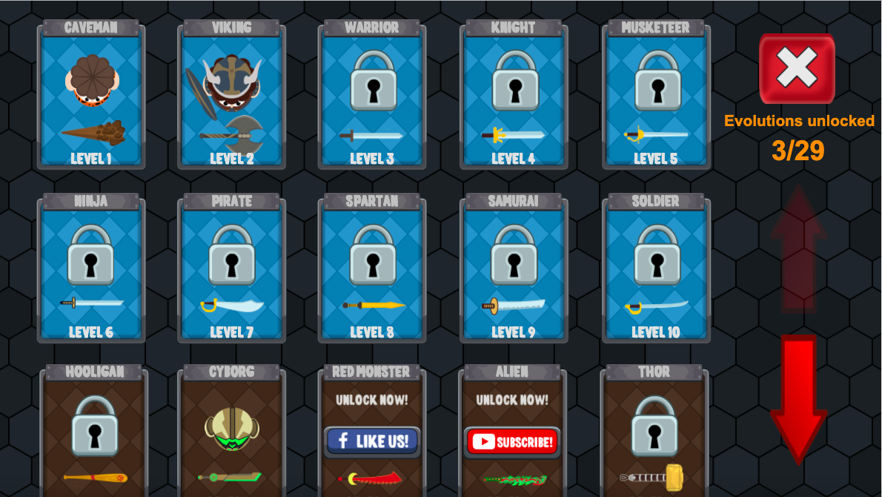 |  | 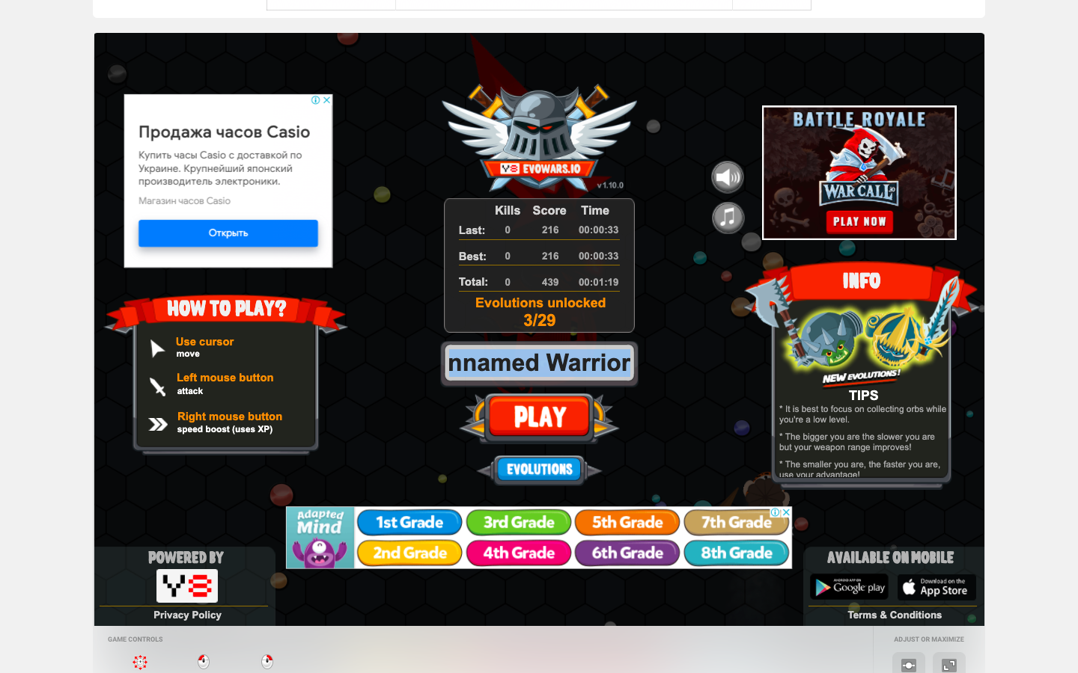 |  | 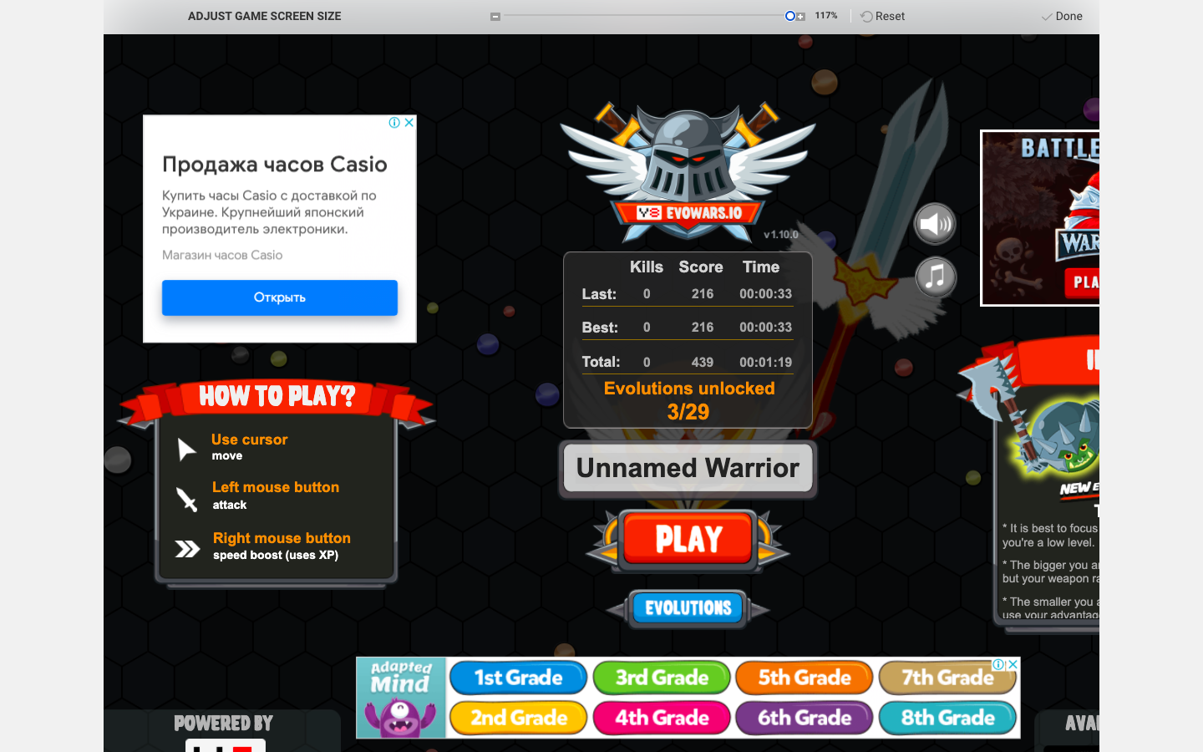 |  | 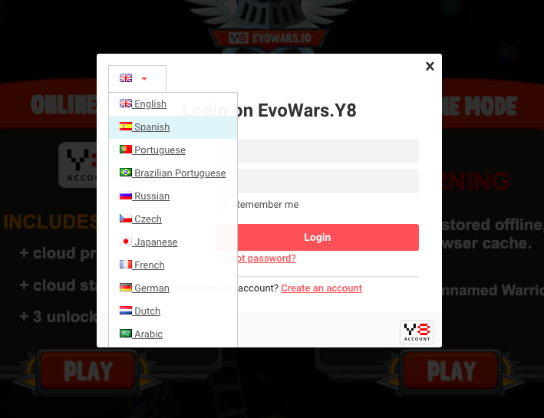

 |  |  |  |  |  |  |  |  |  | 